Cleanning data
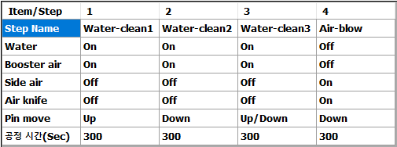
No. | Cleaning Date | Tool No# | Body size (x*y) | Pin size | Flux pin 도출량 | Device | Cleaning recipe name | Oven time (min) | Test 결과 | 기타 | Recipe name : SBA
1 | 2022-09-13 | 9076M723 | 7.6*7.2 | 0.30x0.35x0.39x7 | 2.5mm | Thelonious | SBA | 20 | 양호
2 |  | 9003M183 | 3.00 x 1.82 | 0.23x0.35x0.45x7 | 2.5mm | Sranza | SBA | 20 | 양호
3 |  | 9568M497 | 5.68 x 4.952 | 0.18x0.30x0.35x5 | 1.5mm | Scotch | SBA | 20 | 양호
4 |  | 9153M237 | 15.31*2.36 | 0.23x0.35x0.45x7 | 1.5mm | Oncillla | SBA | 20 | 양호
5 |  | 9153M233 | 15.31*2.36 | 0.23x0.35x0.45x7 | 1.5mm | Oncillla | SBA | 20 | 양호
6 |  | 9376M293 | 3.76*2.95 | 0.30x0.35x0.39x7 | 2.5mm | Selma | SBA | 20 | 양호
7 |  | 9079M5211 | 7.9*5.2 | 0.23x0.35x0.45x7 | 1.5mm | Garllifrey | SBA | 20 | 양호
8 |  | 9079M523 | 7.9*5.2 | 0.23x0.35x0.45x7 | 1.5mm | Garllifrey | SBA | 20 | 양호
9 | 2022-09-14 | 9214M233 | 2.14*2.305 | 0.23x0.30x0.34x5 | 1.5mm | patty | SBA | 20 | 양호
10 |  | 9079M5215 | 7.9*5.2 | 0.23x0.35x0.45x7 | 1.5mm | Garllifrey | SBA | 20 | 양호 |  | Recipe name : SBA_3step
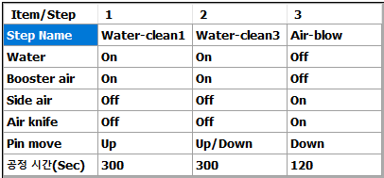
11 |  | 9625M384 | 6.25*3.83 | 0.30x7x0.34 | - | Kashmir | SBA | 20 | 양호
12 |  | 9079M527 | 7.9*5.2 | 0.23x0.35x0.45x7 | 1.5mm | Garllifrey | SBA | 20 | 양호
13 |  | 9079M5211 | 7.9*5.2 | 0.23x0.35x0.45x7 | 1.5mm | Garllifrey | SBA | 20 | 양호
14 |  | 9076M723 | 7.6*7.2 | 0.30x0.35x0.39x7 | 2.5mm | Thelonious | SBA | 20 | 양호
15 |  | 9079M523 | 7.9*5.2 | 0.23x0.35x0.45x7 | 1.5mm | Garllifrey | SBA | 20 | 양호
16 |  | 9079M5215 | 7.9*5.2 | 0.23x0.35x0.45x7 | 1.5mm | Garllifrey | SBA | 20 | 양호
17 | 2022.09.15 | 9153M237 | 15.31*2.36 | 0.23x0.35x0.45x7 | 1.5mm | Oncilla | SBA | 20 | 양호
18 |  | 9079M527 | 7.9*5.2 | 0.23x0.35x0.45x7 | 1.5mm | Garllifrey | SBA | 20 | 양호
19 |  | 9079M5215 | 7.9*5.2 | 0.23x0.35x0.45x7 | 1.5mm | Garllifrey | SBA | 20 | 양호
20 |  | 9079M5211 | 7.9*5.2 | 0.23x0.35x0.45x7 | 1.5mm | Garllifrey | SBA | 20 | 양호
21 | 2022.09.16 | 9214M233 | 2.14*2.305 | 0.23x0.30x0.34x5 | 1.5mm | patty | SBA | 20 | 양호
22 |  | 9568M864 | 5.68*8.69 | 0.18x0.30x0.35x5 | 1.5mm | Draco | SBA | 20 | 양호
23 |  | 9079M5215 | 7.9*5.2 | 0.23x0.35x0.45x7 | 1.5mm | Garllifrey | SBA | 20 | 양호
24 |  | 9625M384 | 6.25*3.83 | '0.30x7x0.34 | - | Kashmir | SBA | 20 | 양호
25 |  | 9076M723 | 7.6*7.2 | 0.30x0.35x0.39x7 | 2.5mm | Thelonious | SBA | 20 | 양호
26 |  | 9079M523 | 7.9*5.2 | 0.23x0.35x0.45x7 | 1.5mm | Garllifrey | SBA | 20 | 양호
27 | 2022.09.17 | 9079M5219 | 7.9*5.2 | 0.23x0.35x0.45x7 | 1.5mm | Garllifrey | SBA | 20 | 양호
28 | 2022.09.18 | 9079M523 | 7.9*5.2 | 0.23x0.35x0.45x7 | 1.5mm | Garllifrey | SBA | 20 | 양호
29 |  | 9079M5219 | 7.9*5.2 | 0.23x0.35x0.45x7 | 1.5mm | Garllifrey | SBA | 20 | 양호
30 |  | 9079M5215 | 7.9*5.2 | 0.23x0.35x0.45x7 | 1.5mm | Garllifrey | SBA | 20 | 양호
31
32
33
34
35
36
37
38
39
40
41
42
43
44
45
46
47
48
49
50

